01
1.1 | SET_GLOBALS( ).

 | MS_PROCESSING_OPTIONS
 | WAIT_FOR_FILING |  | ABAP_FALSE | WHEN P_PBF = ABAP_TRUE THEN ABAP_FALSE ELSE ABAP_TRUE )
 | JV_APPLICABILITY | blocked | Null | WHEN P_JV = ABAP_TRUE THEN VALUE #( BLOCKED = P_BLOCK SPLIT = P_SPLIT DEBIT_NOTE = P_DEB_N )
 |  | split | Null
 |  | debit_note | Null
 | DUE_BEFORE_FILING | cleared | ABAP_TRUE | WHEN P_DBF = ABAP_TRUE THEN VALUE #( CLEARED = P_DBF_CL OPEN = P_DBF_OP )
 |  | open | ABAP_TRUE
 | due_after_filing | cleared | ABAP_FALSE | WHEN P_DAF = ABAP_TRUE THEN VALUE #( CLEARED = P_DAF_CL OPEN = P_DAF_OP )
 |  | open | ABAP_FALSE

1.2 | SET_GLOBALS( ).

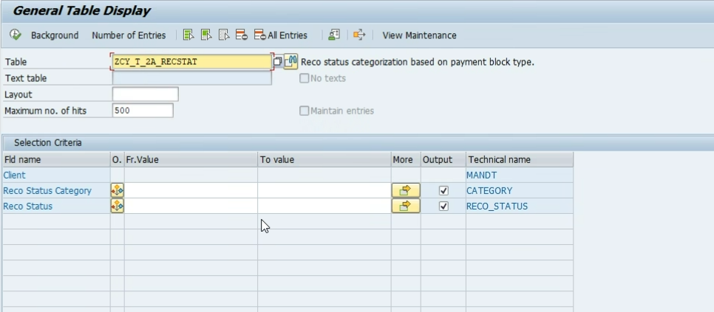
 |  |  |  | B | Matched By Tolerance |  | matched TYPE zcy_t_2a_recstat-category VALUE 'M',
 |  |  |  | B | Mismatched |  | mismatched TYPE zcy_t_2a_recstat-category VALUE 'B',
 |  |  |  | B | PR Only |  | exempted TYPE zcy_t_2a_recstat-category VALUE 'X',
 |  |  |  | B | PROnly
 |  |  |  | M | Matched
 |  |  |  | M | NearMatched
 |  |  |  | X | GstOnly
 | SELECT 'I' AS SIGN, 'EQ' AS OPTION, RECO_STATUS AS LOW FROM ZCY_T_2A_RECSTAT WHERE CATEGORY = @MCS_RECO_STATUS_CAT-MATCHED
 | INTO TABLE @MRT_MATCHED[].

 | MRT_MATCHED |  | MRT_MISMATCHED |  |  | MRT_EXEMPTED
 | SIGN, OPTION, LOW |  | SIGN, OPTION, LOW |  |  | SIGN, OPTION, LOW
 | I, EQ, MATCHED |  | I, EQ, MATCHED BY TOLERANCE |  |  | I, EQ, GSTONLY
 | I, EQ, NEARMATCHED |  | I, EQ, MISMATCHED
 |  |  | I, EQ, PR ONLY
 |  |  | I, EQ, PRONLY

